ACWI Fact Sheet
Passively managed global equity portfolio. | Please note the disclosure below, this information is not to be distributed. This fact sheet was prepared for the SOU Endowment as investors in the fund.

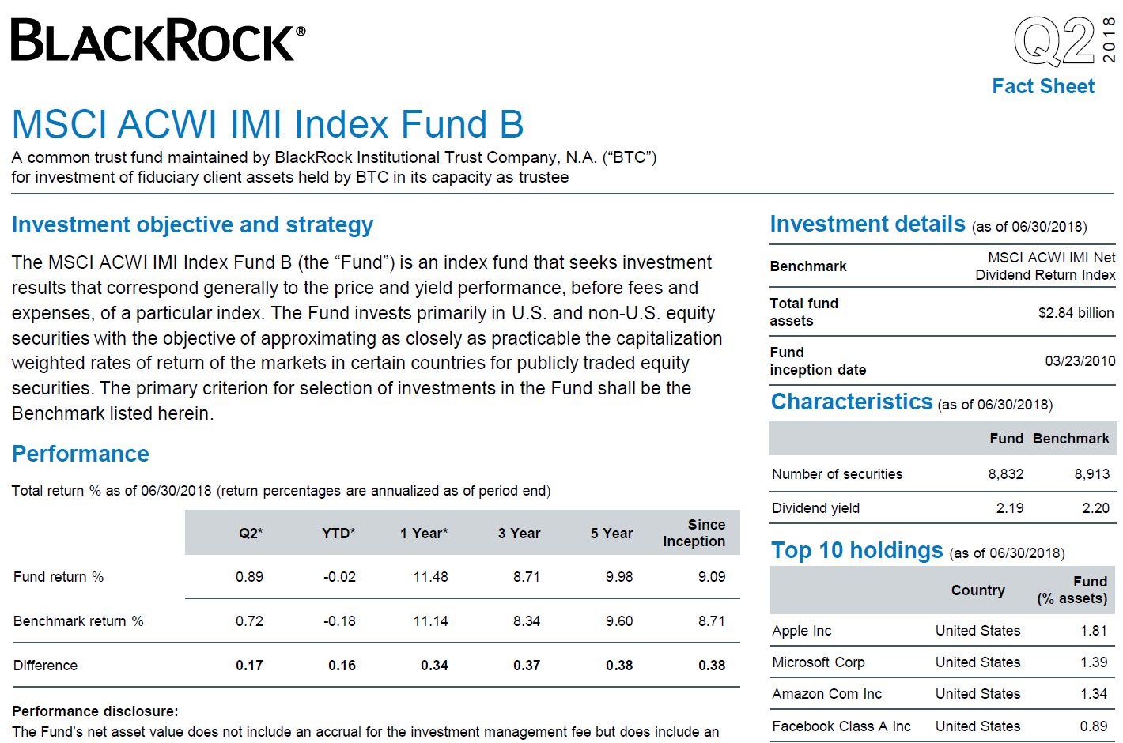

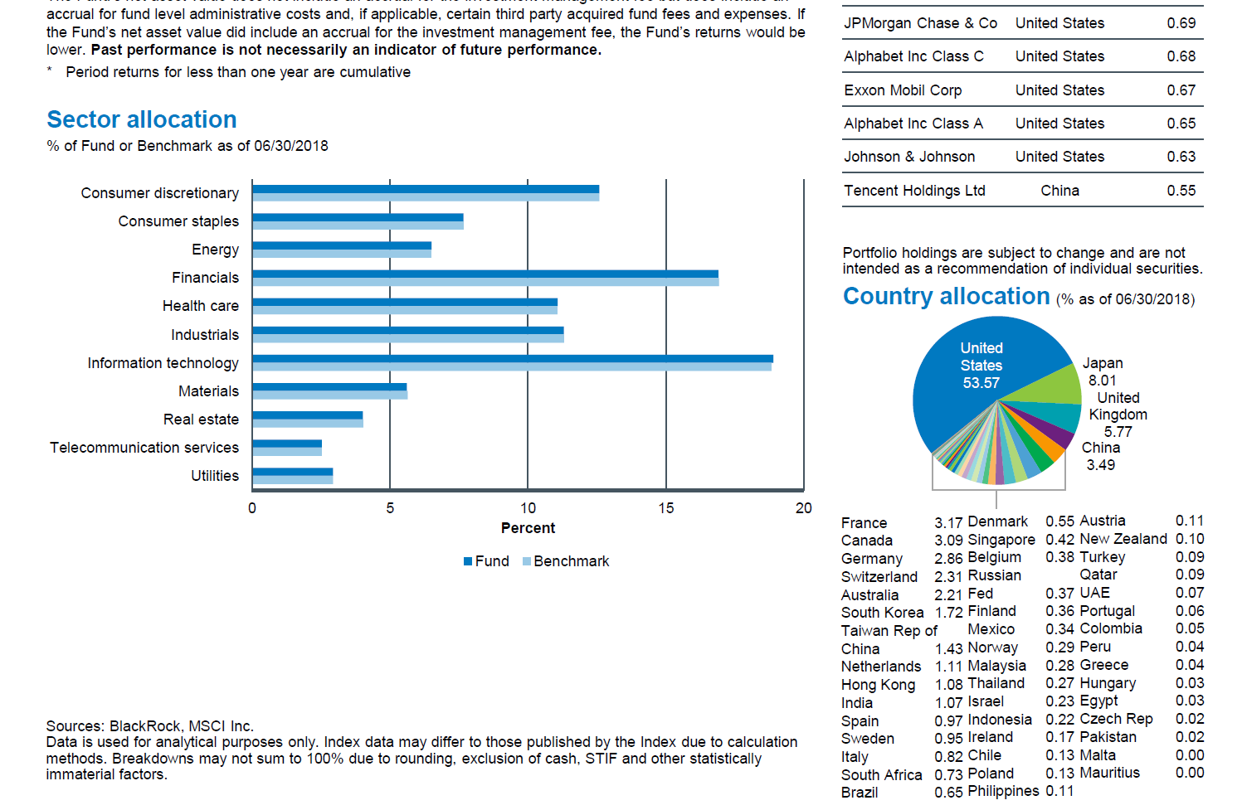

 |  | Fact sheet for the index fund managed for SOU is not available, managed similar to ETF
 |  | ACWI_holdings tab represents actual SOU holdings

Western Asset Fact Sheet
Actively managed fixed income portfolio - share class I
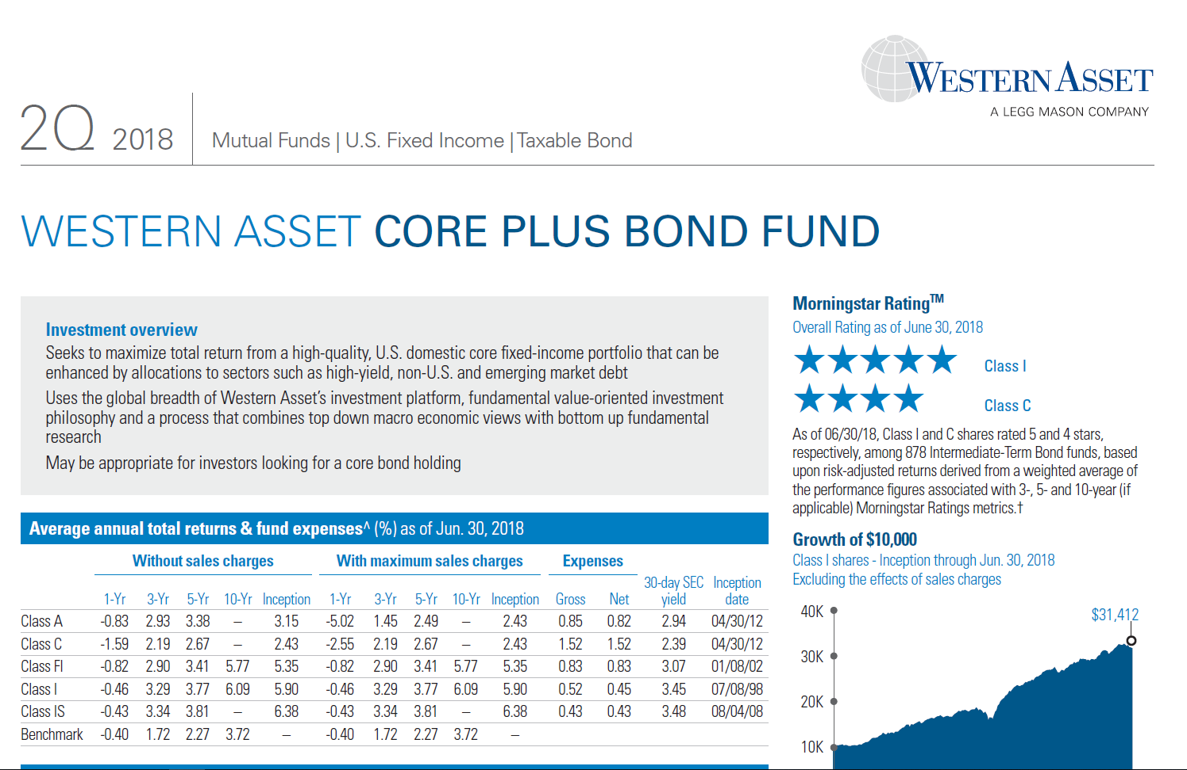

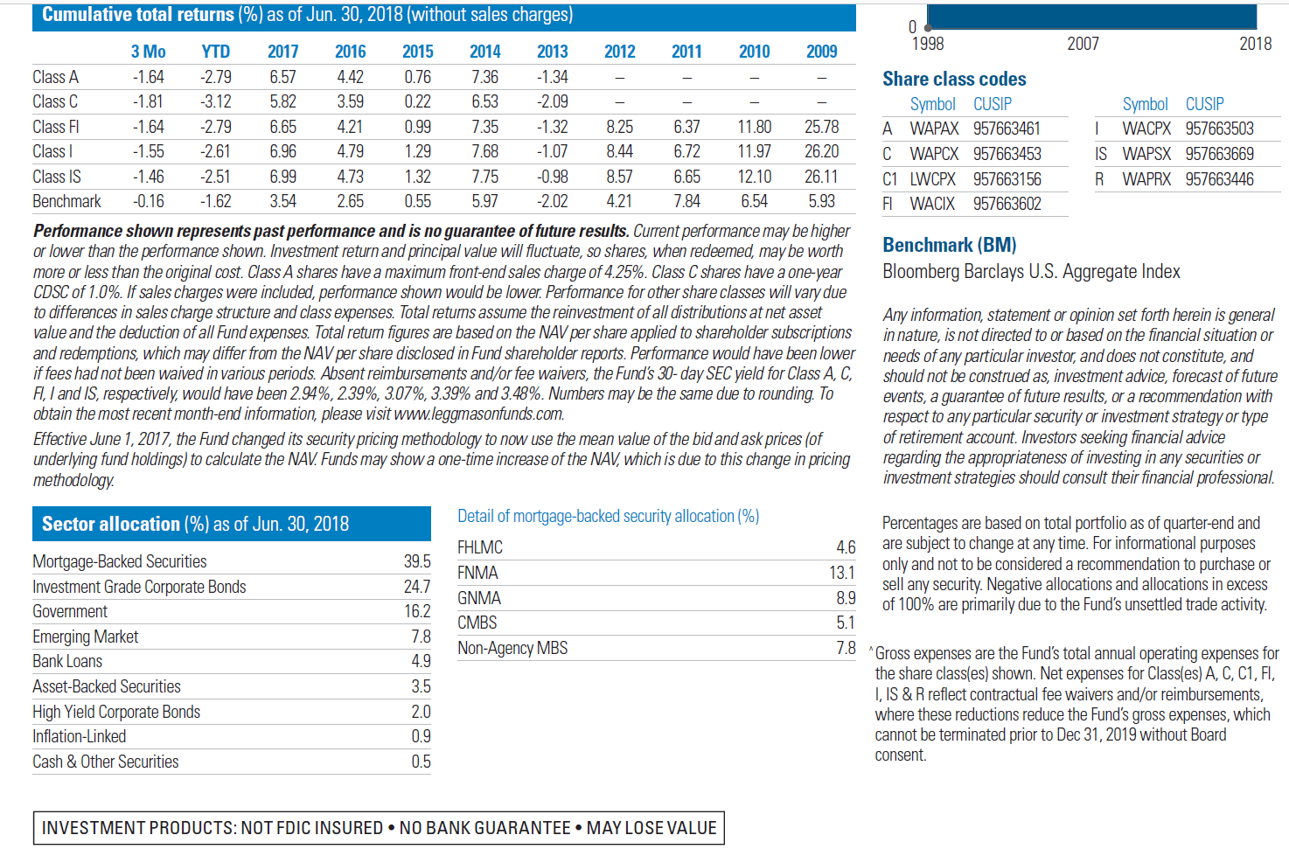

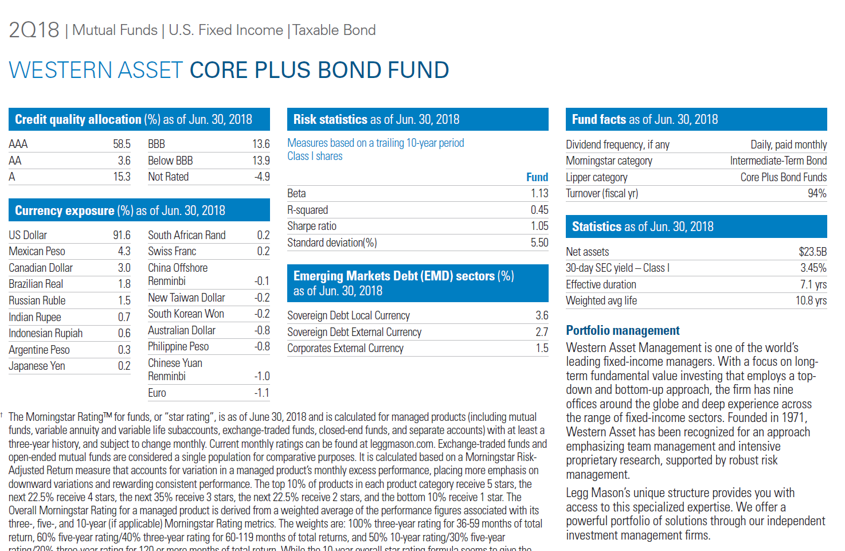

 | AAA | 58.5
 | AA | 3.6
 | A | 15.3
 | BBB | 13.6
 | Below BBB | 13.9
 | NR | -4.9
 |  | 100

Vanguard Total Bond
Passively managed fixed income ETF

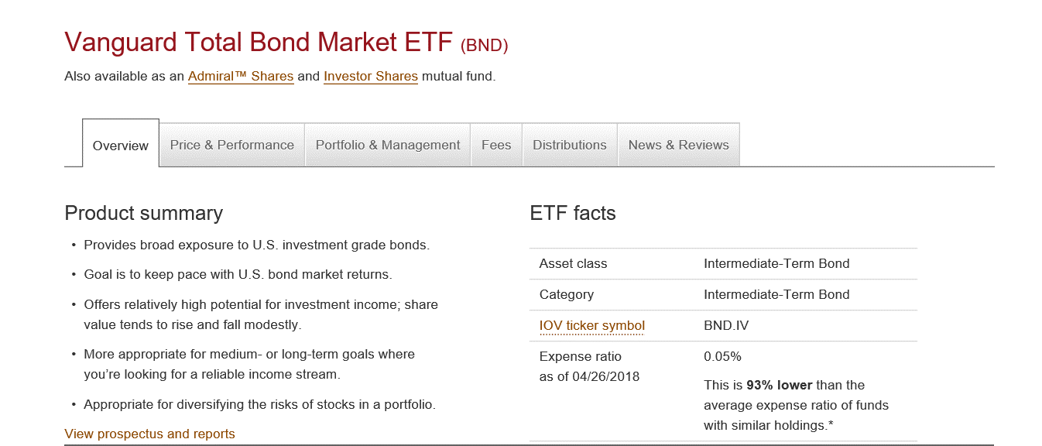

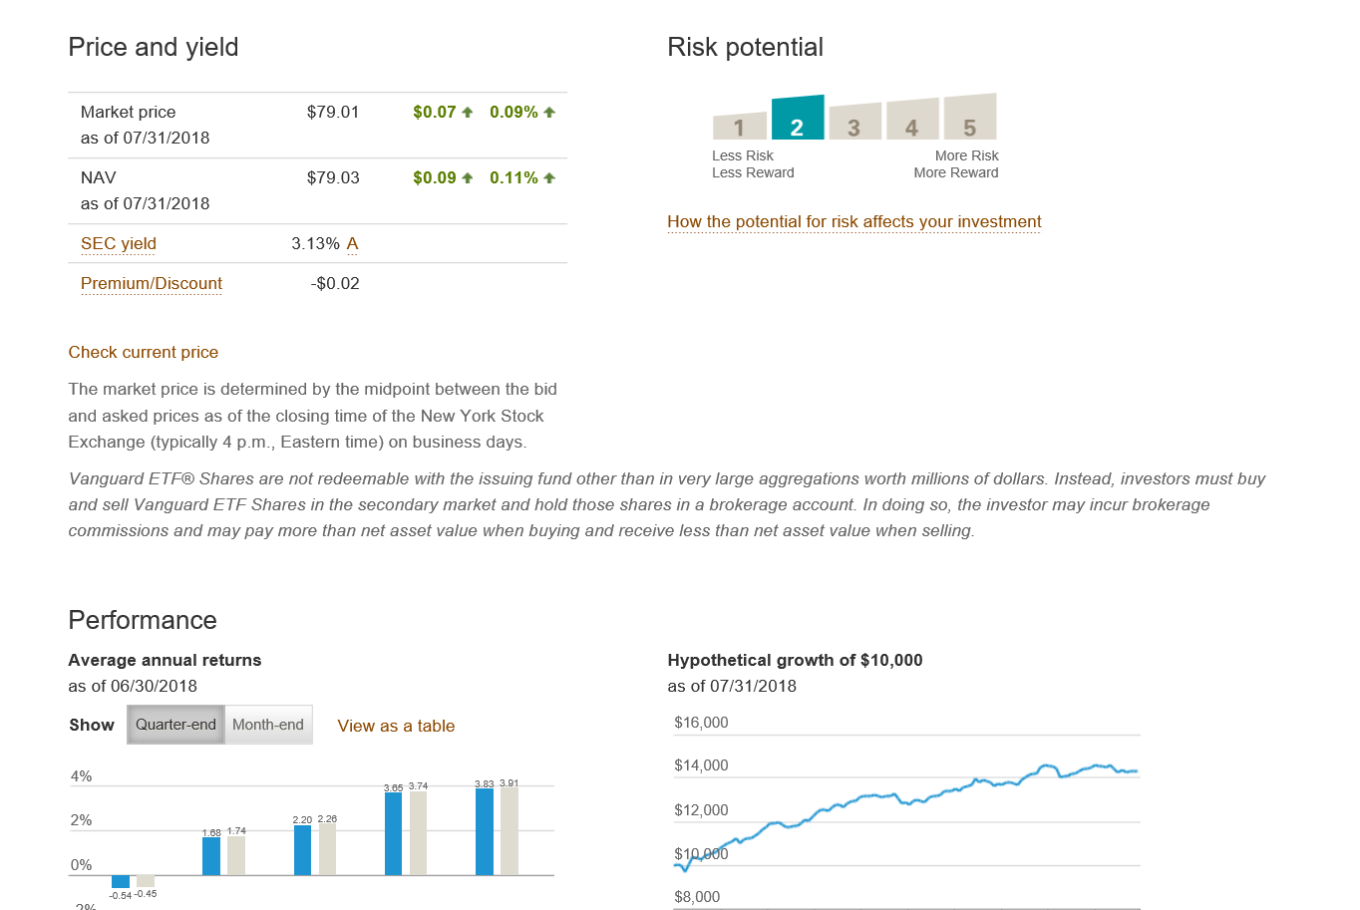

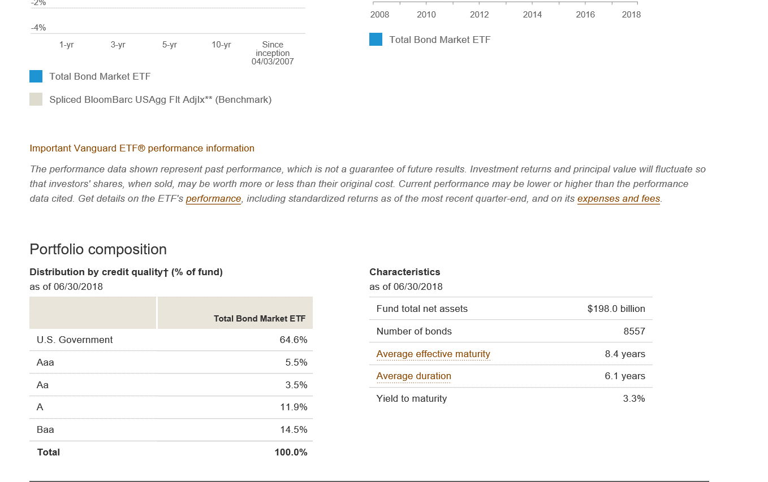

Vanguard Total Stock
Passively managed domestic equity ETF

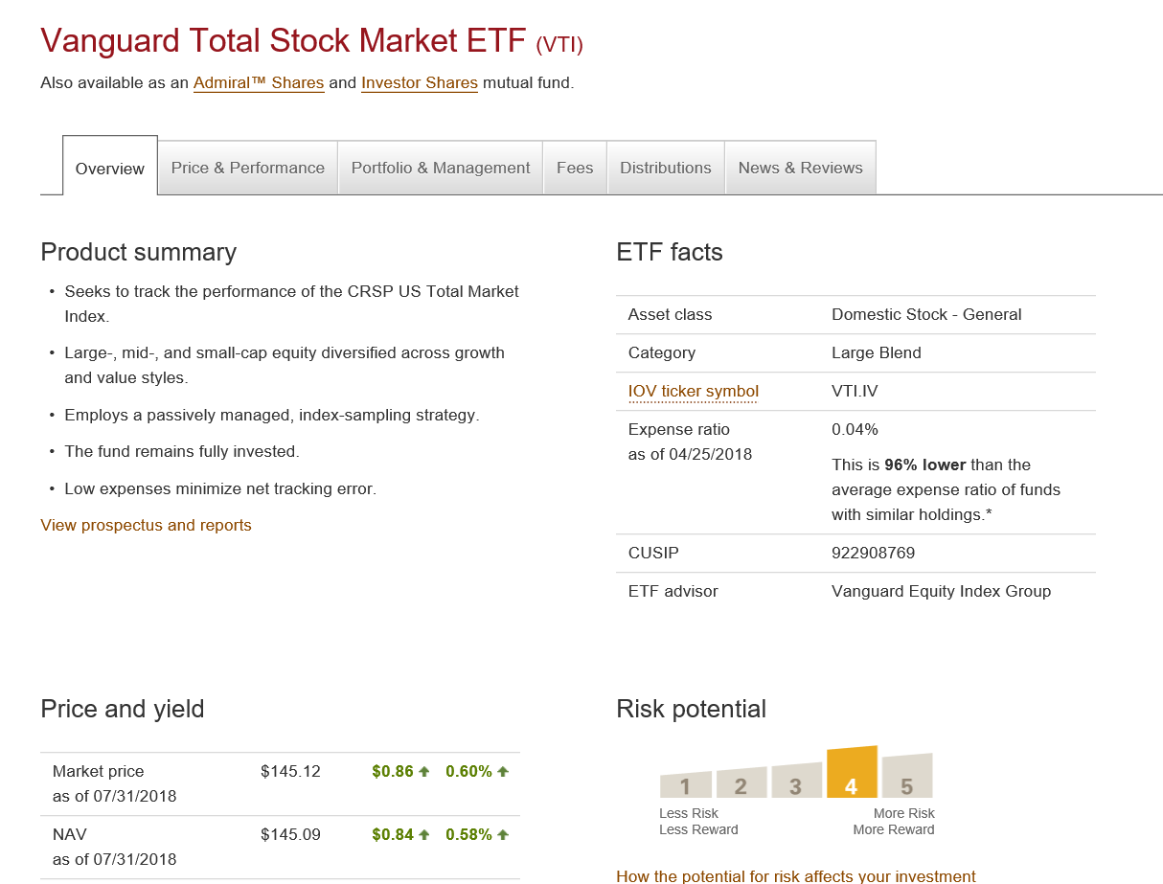

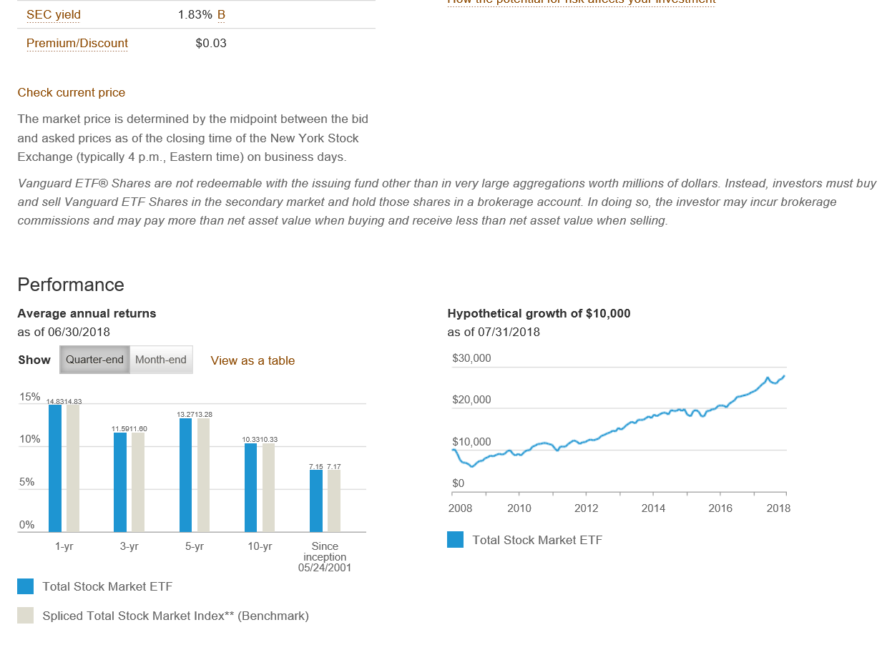

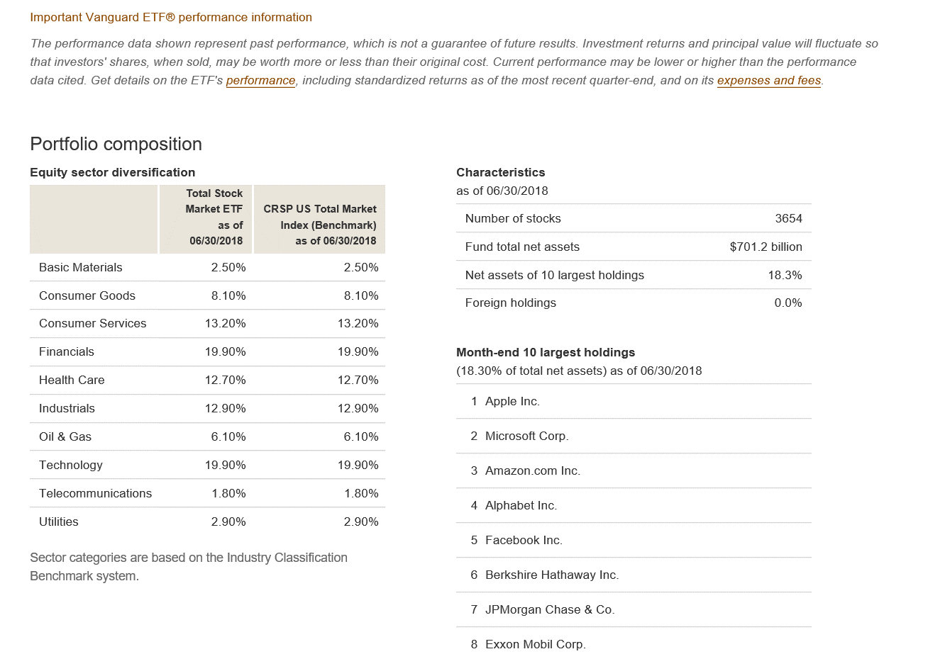

Vanguard Total Intl Stock
Passively managed international equity ETF

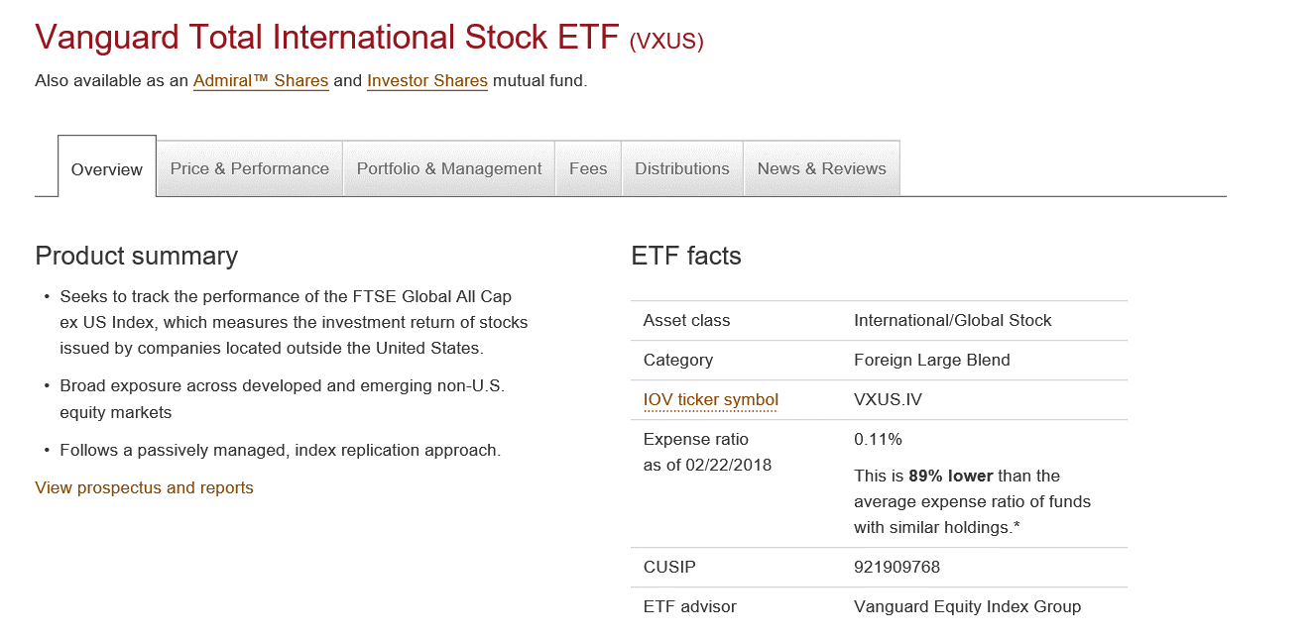

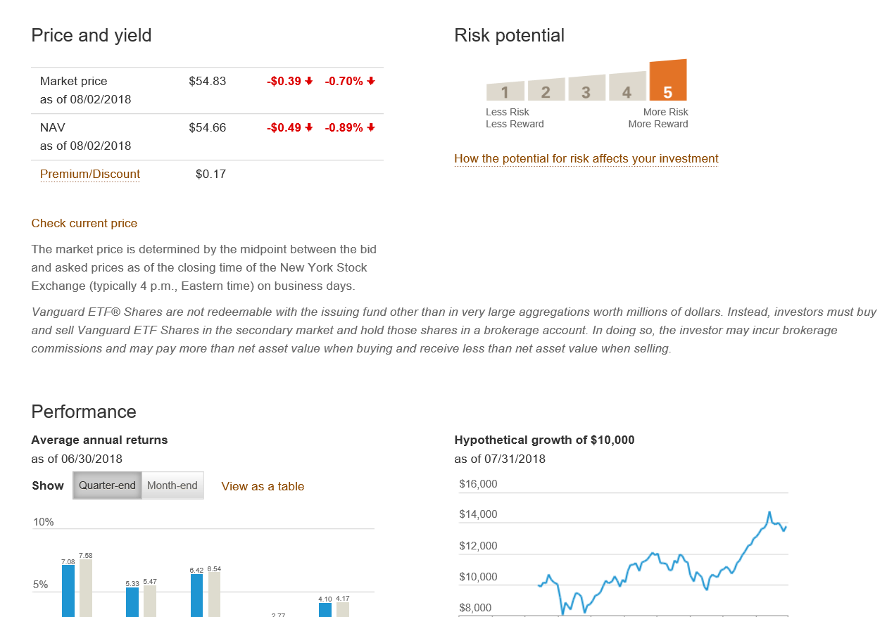

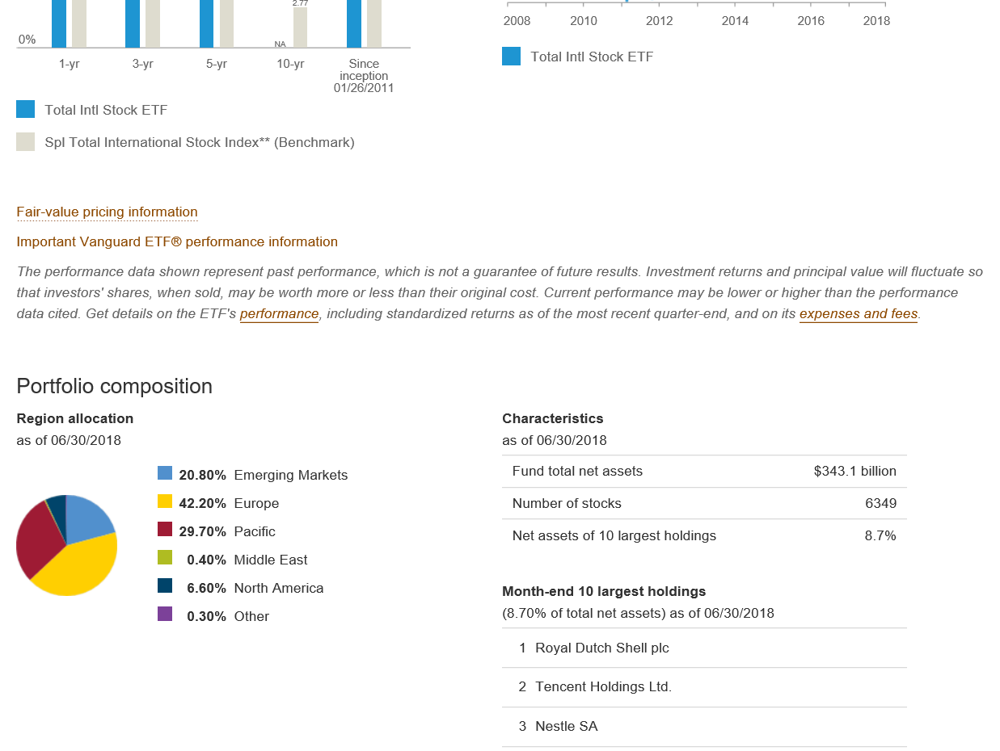

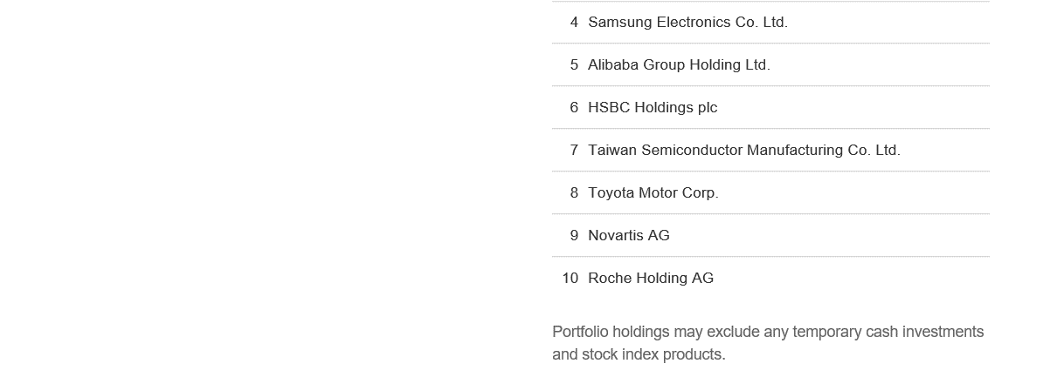

Vanguard Federal MM
Government Money Market Fund

